Sheet1
2008 Toyota Rav4 Sport 2.4
BODY/TRUNK / LIFTGATE ASSEMBLY
Your Vehicle: 2008 Toyota Truck RAV4 2WD L4-2.4L (2AZ-FE)

 | Vehicle » Body and Frame » Doors, Hood and Trunk » Trunk / Liftgate » Service and Repair » Disassembly

 | Disassembly

ENGINE HOOD / DOOR: BACK DOOR: DISASSEMBLY

DISASSEMBLY

1. DISCONNECT CABLE FROM NEGATIVE BATTERY TERMINAL CAUTION: Wait at least 90 seconds after disconnecting the cable from the negative (-) battery terminal to prevent airbag and seat belt pretensioner activation.
2. REMOVE BACK DOOR CENTER GARNISH

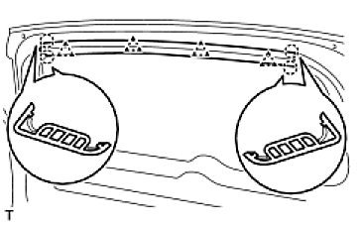

(a) | Using a screwdriver, detach the 4 claws and 4 clips and remove the garnish.
 | HINT: Tape the screwdriver tip before use.

3. REMOVE BACK DOOR SIDE GARNISH LH

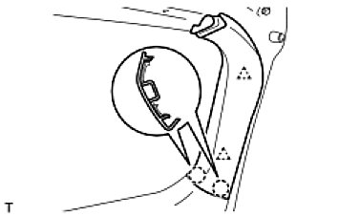

(a) | Using a screwdriver, detach the 2 claws and 2 clips and remove the garnish.

4. REMOVE BACK DOOR SIDE GARNISH RH HINT: Use the same procedures described for the LH side.
5. REMOVE BACK DOOR COURTESY LIGHT ASSEMBLY See: Lighting and Horns\Trunk Lamp\Service and Repair\Removal
6. REMOVE BACK DOOR TRIM BOARD

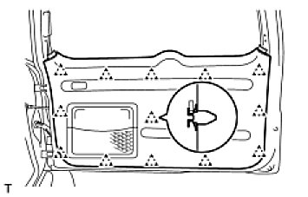

(a) | Using a screwdriver, detach the 13 clips and remove the trim board.

Tape the screwdriver tip before use.
If the screwdriver cannot reach the clips, pull on the lower trim to remove it.

(b) | Remove the 5 screws and the back door trim pocket.
(c) | w/ Rear Speaker:
 | Using a screwdriver, detach the claws and remove the rear speaker grille.
 | HINT: Tape the screwdriver tip before use.

7. REMOVE REAR WIPER ARM AND BLADE ASSEMBLY See: Wiper and Washer Systems\Wiper Motor\Service and Repair\Rear Wiper Motor\Removal
8. REMOVE REAR SPOILER See: Spoilers, Flaps, and Air Dams\Spoiler\Service and Repair\Removal
9. REMOVE CENTER STOP LIGHT ASSEMBLY See: Lighting and Horns\Center Mounted Brake Lamp\Service and Repair\Removal
10. REMOVE LOWER BACK DOOR OUTSIDE GARNISH SUB-ASSEMBLY LH
11. REMOVE UPPER BACK DOOR OUTSIDE GARNISH SUB-ASSEMBLY LH
12. REMOVE LOWER BACK DOOR OUTSIDE GARNISH SUB-ASSEMBLY RH
13. REMOVE UPPER BACK DOOR OUTSIDE GARNISH SUB-ASSEMBLY RH
14. REMOVE SPARE WHEEL CARRIER BRACKET SUB-ASSEMBLY

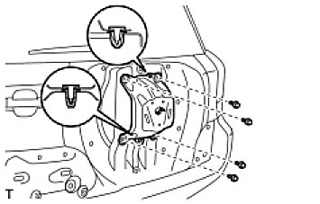

(a) | Using a clip remover, remove the 2 clips.
(b) | Remove the 4 bolts and bracket.

15. REMOVE REAR WIPER MOTOR ASSEMBLY See: Wiper and Washer Systems\Wiper Motor\Service and Repair\Rear Wiper Motor\Removal
16. REMOVE BACK DOOR SERVICE HOLE COVER

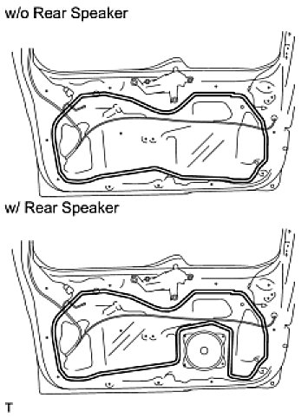

(a) | Disconnect each connector and remove the service hole cover.
 | HINT: Remove the remaining tape on the door.

17. REMOVE STEREO COMPONENT REAR SPEAKER ASSEMBLY (w/ Rear Speaker) See: Accessories and Optional Equipment\Speaker\Service and Repair\Back Door Speaker\Removal
18. REMOVE BACK DOOR LOCK ASSEMBLY

(a) | Disconnect the connector.
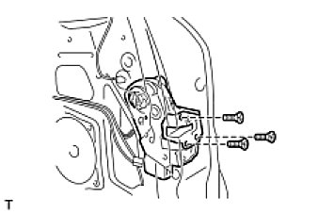

(b) | Using a T30 "torx" socket, remove the 3 screws.
 | NOTE: Be careful when removing the bolts as the door lock may fall and become damaged.
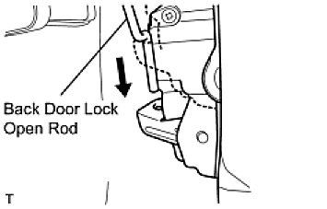

(c) | Slide the door lock downward to disconnect the back door lock open rod from the door lock. Then remove the door lock.
 | HINT: Remove the door lock through the service hole.

19. REMOVE BACK DOOR OUTSIDE HANDLE COVER

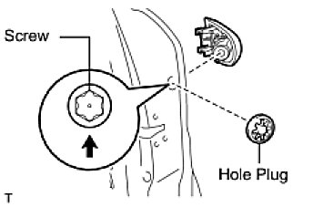

(a) | Remove the hole plug.
(b) | Using a T30 "torx" socket, loosen the screw and remove the cover.
 | HINT: Loosen but do not remove the screw.

20. REMOVE BACK DOOR OUTSIDE HANDLE

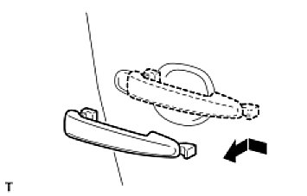

(a) | Remove the handle by sliding and pulling it in the direction indicated by the arrow in the illustration.

21. REMOVE BACK DOOR OUTSIDE HANDLE FRAME SUB-ASSEMBLY

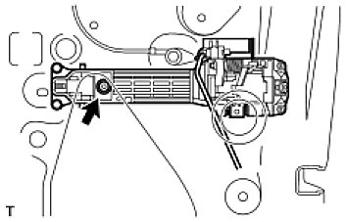

(a) | Using a T30 "torx" socket, loosen the screw of the frame.
 | HINT: Loosen but do not remove the screw.
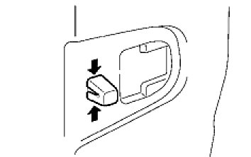

(b) | Using pliers, pinch the clip.
 | NOTE: Be sure to remove the outside handle frame together with the clip, as the clip will be damaged if it remains attached to the door panel.
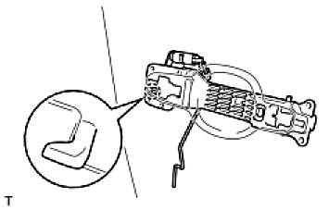

(c) | Detach the claw and remove the frame.
 | HINT: Remove the frame through the service hole.
(d) | Remove the front door lock open rod.

22. REMOVE BACK DOOR OUTSIDE HANDLE FRONT PAD

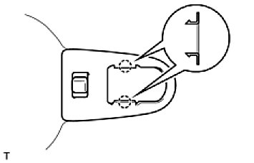

(a) | Detach the 2 claws and remove the pad.

23. REMOVE BACK DOOR OUTSIDE HANDLE REAR PAD

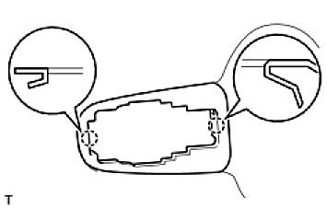

(a) | Detach the 2 claws and remove the pad.

24. REMOVE BACK DOOR CHECK ASSEMBLY

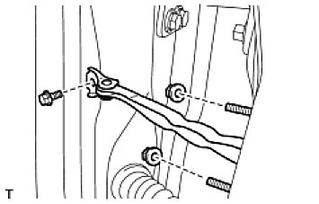

(a) | Remove the bolt, 2 nuts and door check.
 | HINT: Remove the door check through the service hole.

25. REMOVE BACK DOOR SIDE FEMALE STOPPER

(a) | Remove the 2 bolts and stopper.

26. REMOVE CUSHION

(a) | Remove the 2 cushions.

27. REMOVE STOPPER

